Theory
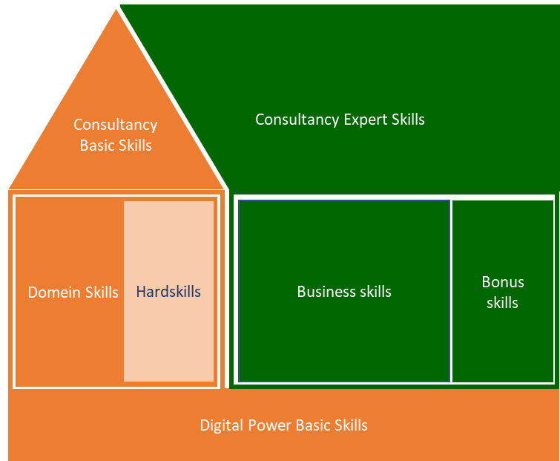
Digital Power Competentiehuis | Competentiegebieden

Results (DO NOT EDIT!!)
Spread current versus ambition
 | 1. Digital Power Basic Skills | 1. Digital Power Basic Skills | 1. Digital Power Basic Skills | 1. Digital Power Basic Skills | 1. Digital Power Basic Skills | 1. Digital Power Basic Skills | 2. Domain Skills | 2. Domain Skills | 2. Domain Skills | 2. Domain Skills | 2. Domain Skills | 3. Hardskills | 3. Hardskills | 3. Hardskills | 3. Hardskills | 3. Hardskills | 4. Basic Consultancy Skills | 4. Basic Consultancy Skills | 4. Basic Consultancy Skills | 4. Basic Consultancy Skills | 4. Basic Consultancy Skills | 5. Business Skills | 5. Business Skills | 5. Business Skills | 5. Business Skills | 5. Business Skills | 6. Expert Consultancy Skills | 6. Expert Consultancy Skills | 6. Expert Consultancy Skills | 6. Expert Consultancy Skills | 6. Expert Consultancy Skills
 | Learning & reflection | Support & collaboration | Entrepreneurial & result-oriented | Customer-oriented | Knowledge sharing | Coaching & guidance | Domain knowledge | Metrics, KPI's and goals | Mathematics & statistics | Data interpretation & analysis | Dashboarding & reporting | Tool knowledge | Implementation & data collection | Data processing | Data visualisation | Legal & ethical boundaries | Advising | Decisive & problem-solving | Interpersonal communication | Expectation management | Written and oral communication | Organizational and management identification | Strategic conceptualization | Project management | Change management | Leadership | Situational communication | Goal-oriented & effective communication | Decision-making | Persuading & influencing | Constructive (negative) feedback & bad news conversations
 | 1 | 2 | 3 | 4 | 5 | 6 | 7 | 8 | 9 | 10 | 11 | 13 | 14 | 15 | 16 | 17 | 19 | 20 | 21 | 22 | 23 | 25 | 26 | 27 | 28 | 29 | 30 | 31 | 32 | 33 | 34
Score current situation | #DIV/0! | #DIV/0! | #DIV/0! | #DIV/0! | #DIV/0! | #DIV/0! | #DIV/0! | #DIV/0! | #DIV/0! | #DIV/0! | #DIV/0! | #DIV/0! | #DIV/0! | #DIV/0! | #DIV/0! | #DIV/0! | #DIV/0! | #DIV/0! | #DIV/0! | #DIV/0! | #DIV/0! | #DIV/0! | #DIV/0! | #DIV/0! | #DIV/0! | #DIV/0! | #DIV/0! | #DIV/0! | #DIV/0! | #DIV/0! | #DIV/0!
Total average |  |  |  |  |  | #DIV/0! |  |  |  |  | #DIV/0! |  |  |  |  | #DIV/0! |  |  |  |  | #DIV/0! |  |  |  |  | #DIV/0! |  |  |  |  | #DIV/0!

Score ambition | #DIV/0! | #DIV/0! | #DIV/0! | #DIV/0! | #DIV/0! | #DIV/0! | #DIV/0! | #DIV/0! | #DIV/0! | #DIV/0! | #DIV/0! | #DIV/0! | #DIV/0! | #DIV/0! | #DIV/0! | #DIV/0! | #DIV/0! | #DIV/0! | #DIV/0! | #DIV/0! | #DIV/0! | #DIV/0! | #DIV/0! | #DIV/0! | #DIV/0! | #DIV/0! | #DIV/0! | #DIV/0! | #DIV/0! | #DIV/0! | #DIV/0!
Total average |  |  |  |  |  | #DIV/0! |  |  |  |  | #DIV/0! |  |  |  |  | #DIV/0! |  |  |  |  | #DIV/0! |  |  |  |  | #DIV/0! |  |  |  |  | #DIV/0!

Seniority per subcategory
 | Total
1. Digital Power Basic Skills | 0.0
2. Domain Skills | 0.0
3. Hardskills | 0.0
4. Basic Consultancy Skills | 0.0
5. Business Skills | 0.0
 | 0.0
Current skills versus ambition
 | Current | Ambition
1. Digital Power Basic Skills | 0.0 | 0.0
2. Domain Skills | 0.0 | 0.0
3. Hardskills | 0.0 | 0.0
4. Basic Consultancy Skills | 0.0 | 0.0
5. Business Skills | 0.0 | 0.0
6. Expert Consultancy Skills | 0.0 | 0.0
Digital Power Basic Skills
Domain Skills (DA)

Expert Consultancy Skills
Hardskills (DA)
Basic Consultancy Skills
Business Skills

